Pull requests
Pull Request Name | Epic | Creation Date | FW Creation | Merge Date | FW Merge | Release | SW Version | 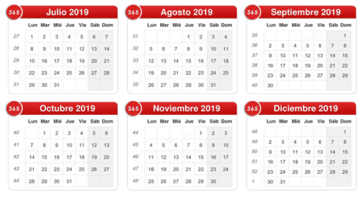
ADC Initialization | Power Module (ADC, PWM, Input Capture) | 2019-09-12 | 37 | 2019-09-13 | 37
PWM Initialization | Power Module (ADC, PWM, Input Capture) | 2019-09-13 | 37 | 2019-09-13 | 37
Power Module Integration | Power Module (ADC, PWM, Input Capture) | 2019-09-13 | 37 | 2019-09-20 | 38 | Yes | 1.0
Power Module Refactor | Power Module (ADC, PWM, Input Capture) | 2019-09-29 | 39 | 2019-10-04 | 40
PID Control | PID Control | 2019-09-29 | 39 | 2019-10-11 | 41
PWM Inverted Logic | Power Module (ADC, PWM, Input Capture) | 2019-10-01 | 40 | 2019-10-02 | 40
Input Capture | Power Module (ADC, PWM, Input Capture) | 2019-10-11 | 41 | 2019-10-11 | 41
PID Control without UI | Modules Integration | 2019-10-20 | 42 | 2019-10-22 | 43 | Yes | 1.1
Threads Implementation | Modules Integration | 2019-10-21 | 43 | 2019-10-22 | 43
Display | User Interface | 2019-10-22 | 43 | 2019-10-25 | 43
System Integration with UI | Modules Integration | 2019-10-25 | 43 | 2019-10-25 | 43 | Yes | 1.2
PID Control Improved | PID Control, Modules Integration | 2019-10-26 | 43 | 2019-10-26 | 43 | Yes | 1.3

